Sheet1
 |  | Document No. | Issue No. | Issue Date |  |  | Review and Replace Date |  | Authorised By
 |  | GFF273MC | 2 | 19.02.2021 |  |  | 23.12.2021 |  | Magda Shah
 |  | Document Title | 10 Vegetable Burgers 1000g
Document amendments reason for change |  | Film Updated |  | Page 1 of 1 |  | Previous Issue Date |  | 19.02.2021 | Uncontrolled copy unless signed original

CMXBL-B10TEB | BOOTHS |  | 10 Vegetable Burgers 1000g | CHILLED
STEP 1 |  |  |  |  | STEP 2
 |  |  |  |  | 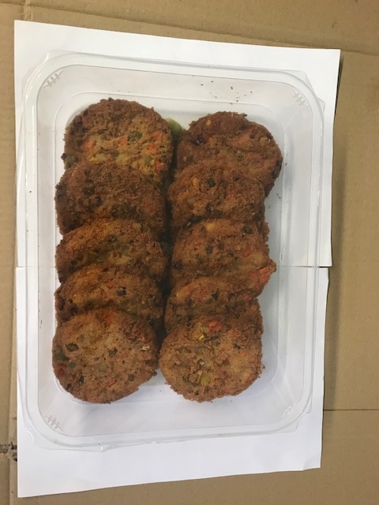

Tray: H320/60 -CLEAR (596) (PKNUT001-05) |  |  |  |  | 10 x Mexican Vegetable Burgers 100g (GFF024R) 10 pieces
Film: PP340 AF 340mmx500m (PKPRO001-15)
STEP 3

No Gas

TOTAL WEIGHT: 1000g

ALLERGY ALERT: NONE

